баг-репорт
Identifier | BR1
Summary/Краткое описание | Не работает кнопка поиска среди видео, размещенных на канале
Project/Проект | https://www.youtube.com/
Module/Компонент приложения | Поиск среди видео, выложенных на канале
Version/Номер версии | 1
Severity/Важность: - S1 Blocker - S2 Critical - S3 Major - S4 Minor - S5 Trivial | S4 Minor
Priority/Приоритет: - P1 High - P2 Medium - P3 Low | заполняется менеджером
Status/Статус | new
Tester/тестер | Pavel Bayborodin
Назначен на | имя разработчика
Walkaround/Возможность обхода | да
Steps to reproduce/Шаги воспроизведения | 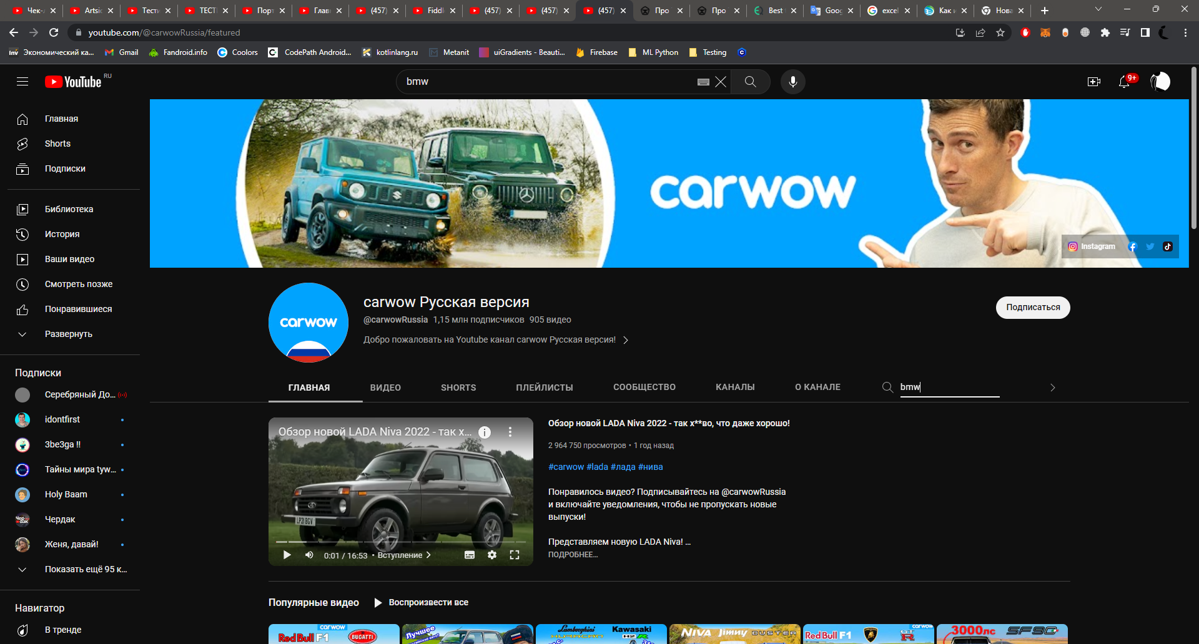 1. Открыть страницу любого канала: https://www.youtube.com/@carwowRussia 2. Кликнуть по иконке поиска в тулбаре под названием канала 3. Ввести ключевые слова для поиска 4. Кликнуть по иконке поиска
Expected result/Ожидаемый результат | 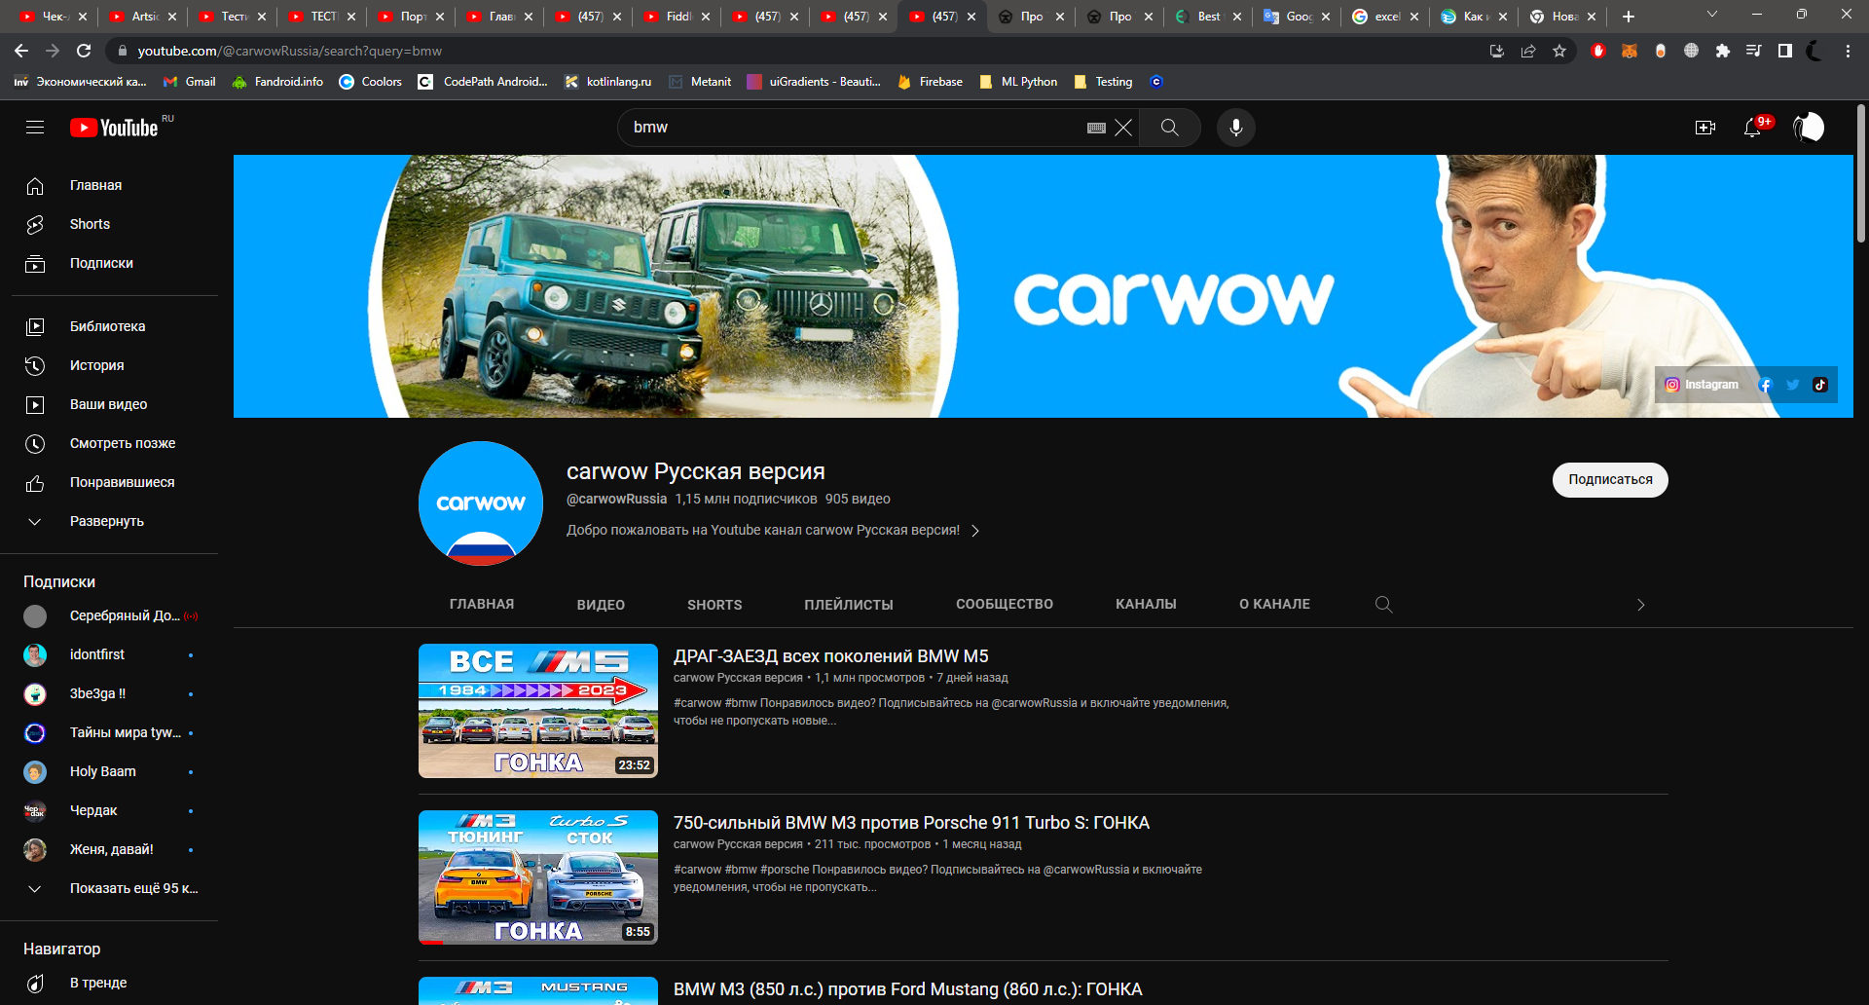 переход на страницу с результатами поиска https://www.youtube.com/@carwowRussia/search?query=bmw
Actual result/Фактический результат | запускается анимация срабатывания кнопки, но больше ничего не происходит

